original_validCuts
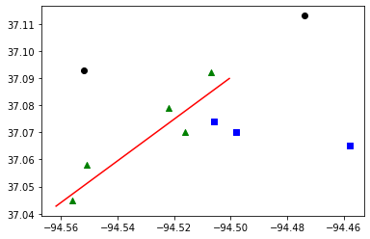
Budget : | 30000000 | Tornado Length: | 5
Best Bound: | 75
Best Objective: | 75
Gap: | 0
CCG Run time: | 3549.17
CCG Iteration: | 3
Subproblem Run time: | 3549.02
Number of Subproblem Callbacks: | 26
Subproblem Callbacks Run Time: | 1.33
Number of Uncertainty Set Check Call: | 0
Uncertainty Set Check Run Time: | 0
Head of worst tornado: | -94.562 | 37.043
Tail of worst tornado: | -94.5 | 37.09

Block ID | coordinate_x | coordinate_y | Population | Retrofitting | Retrofitting Cost | Damaged? | Recovery Cost | Dislocation
291450206011012 | -94.556 | 37.045 | 32 | R3 | 29284 | YES | 585369 | 20
290970112004069 | -94.552 | 37.093 | 4 | Do_nothing | 0 | NO | 0 | 0
290970109002051 | -94.551 | 37.058 | 19 | R3 | 59534 | YES | 298961 | 12
290970110005024 | -94.522 | 37.079 | 30 | R3 | 5637 | YES | 285809 | 19
290970108003014 | -94.516 | 37.07 | 29 | R3 | 8484 | YES | 306347 | 18
290970101001022 | -94.507 | 37.092 | 9 | R3 | 6959 | YES | 174902 | 6
290970106004001 | -94.506 | 37.074 | 6 | R3 | 7311 | NO | 0 | 0
290970106003025 | -94.498 | 37.07 | 9 | R3 | 17333 | NO | 0 | 0
290970102001050 | -94.474 | 37.113 | 16 | Do_nothing | 0 | NO | 0 | 0
290970104003071 | -94.458 | 37.065 | 25 | R3 | 20376 | NO | 0 | 0

decomposed
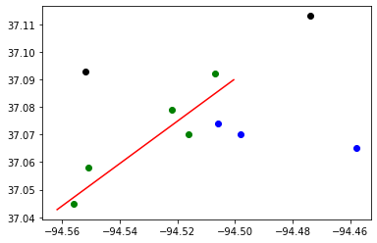
Budget : | 30000000 | Tornado Length: | 5
Best Bound: | 75
Best Objective: | 75
Gap: | 0
CCG Run time: | 3.14
CCG Iteration: | 3
Subproblem Run time: | 2.77
Number of Subproblem Callbacks: | 25
Subproblem Callbacks Run Time: | 1.99
Number of Uncertainty Set Check Call: | 1
Uncertainty Set Check Run Time: | 0.11
Head of worst tornado: | -94.562 | 37.043
Tail of worst tornado: | -94.5 | 37.09

Block ID | coordinate_x | coordinate_y | Population | Retrofitting | Retrofitting Cost | Damaged? | Recovery Cost | Dislocation
291450206011012 | -94.556 | 37.045 | 32 | R3 | 29284 | YES | 585369 | 20
290970112004069 | -94.552 | 37.093 | 4 | Do_nothing | 0 | NO | 0 | 0
290970109002051 | -94.551 | 37.058 | 19 | R3 | 59534 | YES | 298961 | 12
290970110005024 | -94.522 | 37.079 | 30 | R3 | 5637 | YES | 285809 | 19
290970108003014 | -94.516 | 37.07 | 29 | R3 | 8484 | YES | 306347 | 18
290970101001022 | -94.507 | 37.092 | 9 | R3 | 6959 | YES | 174902 | 6
290970106004001 | -94.506 | 37.074 | 6 | R3 | 7311 | NO | 0 | 0
290970106003025 | -94.498 | 37.07 | 9 | R3 | 17333 | NO | 0 | 0
290970102001050 | -94.474 | 37.113 | 16 | Do_nothing | 0 | NO | 0 | 0
290970104003071 | -94.458 | 37.065 | 25 | R3 | 20376 | NO | 0 | 0

